Bug Report
BUG REPORT DOCUMENTATION

URL : https://www.saucedemo.com/
DEVICE ENV : Macbook Air M1 (MacOS Sequoia 15.0)
Browser : Google Chrome (Version 130.0.6723.58)
QA : Indra Rasendriya
Bug ID | Title | Bug Description | Feature | Severity | Priority | Pre-Condition | Step To Reproduce | Test Data | Actual Result | Evidence | Expected | Test Date | Tested By | Assign To Dev | Status | Evidence After Fixing | Status After Fixing | Notes
BUG - 001 | [WEB] [Login Page] Invalid error message displayed | Invalid error message displayed when user want to login without input username and password | Login | Minor | Low | 1. User access url : http://saucedemo.com/ | 1. User not input any field 2. Click button Login | - | System display error message : "Epic sadface: Username is required" |  | System should display "Epic sadface: Username and Password are required" | 22/10/24 | Indra (QA) | Front End | To Do
BUG - 002 | [WEB] [Login Page] Error icon displayed at the wrong place | There is an error icon on username field when user input valid username | Login | Minor | Low | 1.User open http://saucedemo.com/ | 1. User input valid username 2. User input invalid password 3. User click "Login" button | 1. User input valid username 2. User input invalid password 3. User click "Login" button | There is error icon on username field |  |  |  | Indra (QA) | Front End | To Do
BUG-003 | [WEB] [Login Page] Field username & password is not disable when error message appeared | User can input username/password field when error message appear | Login | Minor | Low | 1.BUG-001 2. Or BUG-002 3. Or User input invalid username 4. Or User input invalid username & password | 1. When error message is appeared 2. User do not close the error emssage 3. Then user click on the username/password field 4. User can input username/password | Combination : { {username : " ", password : " "}, {username : "standard_username", password : " "}, {username : " ", password : "secret_sauce"}, {username : "wrongUsername", password : "secret_sauce"}, etc. } that meets the pre-condition | User can input username/password field when error message appear |  | When error message is appeared, the username and password field should be disable or not editable, so user cannot edit/input data when error message is appeared | 22/10/24 | Indra (QA) | Front End | To Do
BUG-004 | [WEB] [Cart Page] - The checkout button does not disable when the user not select any products | The "Checkout" button at the Cart Page does not disable when the user not select any products in the Cart | Cart | Major | High | 1. User has logged in with standard_user account 2. User at Not select any product at The Product List Page | 1. User Click on Cart Icon at the top right of the page 2. There is no item/product in The Cart 3. But The "Checkout" button is enable 4. So user can click it and redirected to Checkout - User Information Page | Username : standard_user Password : secret_sauce | User cannot redirect into page checkout information when user does not select product into cart | 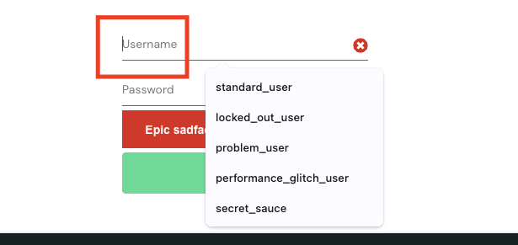 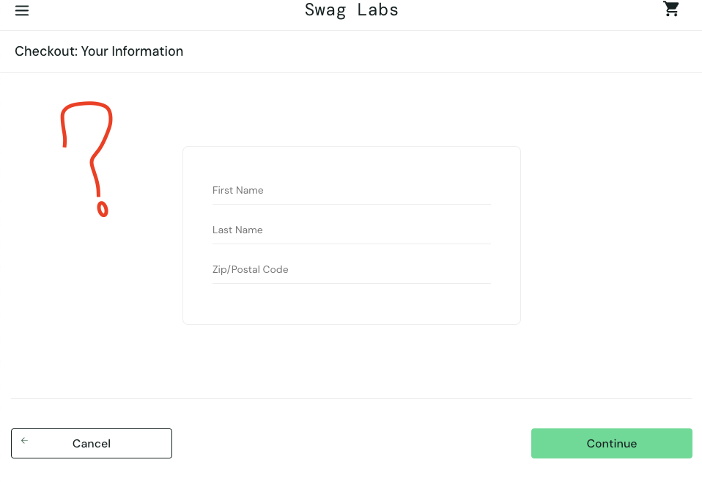 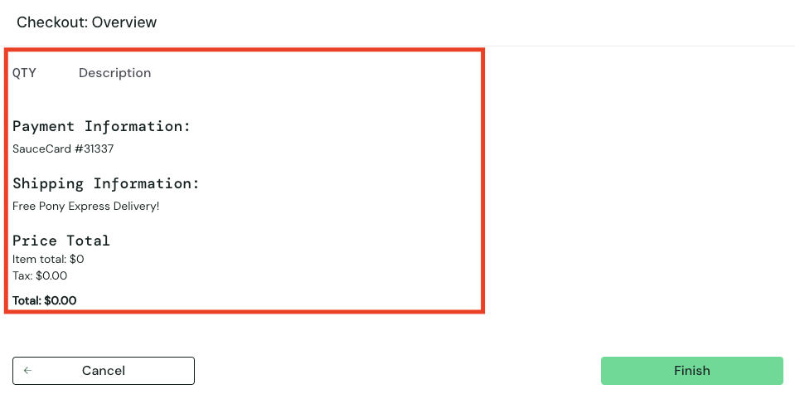 | The "Checkout" button at the Cart Page must be disable when the user not select any products in the Cart | 22/10/24 | Indra (QA) | Front End | To Do
BUG-005 | [WEB] [Checkout-User Information] User can input number or special charracters on Firstname and Lastname Field | User can input number or special charracters on Firstname and Lastname Field. | Checkout | Minor | Medium | 1. User has logged in with standard_user account 2. User at the Checkout - User Information page | 1. User input number on firstname field 2. User input special char on lastname field 3. User input zipcode 4. User click "Continue" button 5. It will redirect user to the Checkout - Overview page | Username : standard_user Password : secret_sauce Firstname : 123 Lastname : !@#$% Zipcode : 12345 | There is no validation/error message when user input number or special char on firstname and lastname field, and the continue button is clickable. So user can go to the next page | 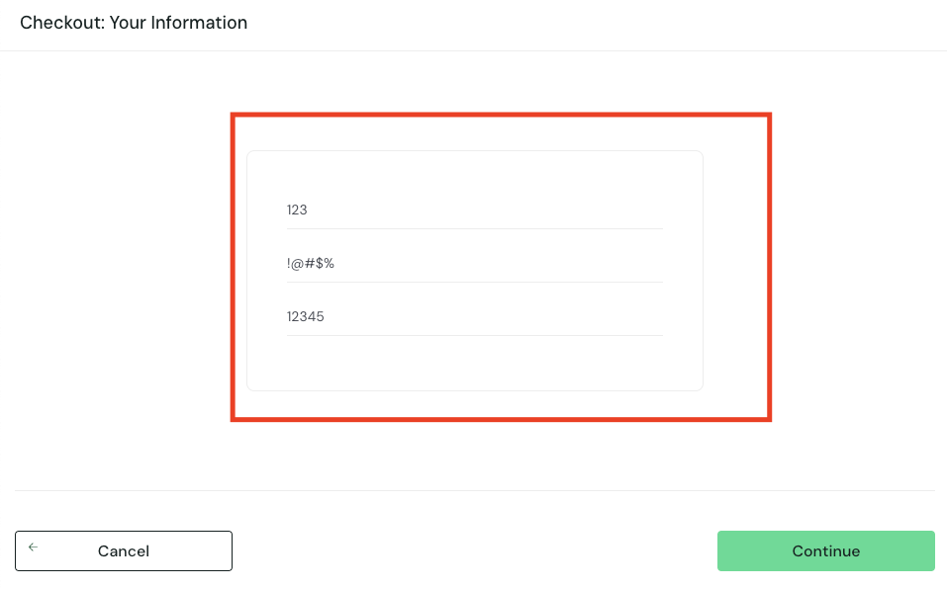 | There should be validation/error message when user input number or special char on firstname and lastname field, and the continue button is disable when user's input is not meet the validation requirements. So user cannot go to the next page | 22/10/24 | Indra (QA) | Front End | To Do
BUG-006 | [WEB] [Checkout Overview] User can complete the checkout process without any items selected | User can complete the checkout process without any items selected | Checkout | Major | High | 1. User has logged in with standard_user account 2. User not select any product on the cart 3. User go to Checkout - User Information page -> fill all the field -> continue 4. User go to Checkout - Overview page | 1. User landing on Checkout - Overview page 2. There is no item on the Checkout List. The Total price is $0.00 3. The Finish button is enable 4. When user click the "Finish" button, user will be redirected to the Checkout - Complete page | Username : standard_user Password : secret_sauce Firstname : User Lastname : Test Zipcode : 12345 | There is no validation/error message when user doing Checkout Process without any product selected and the continue button is clickable. So user can go to the next page that means user success checkout with no products | 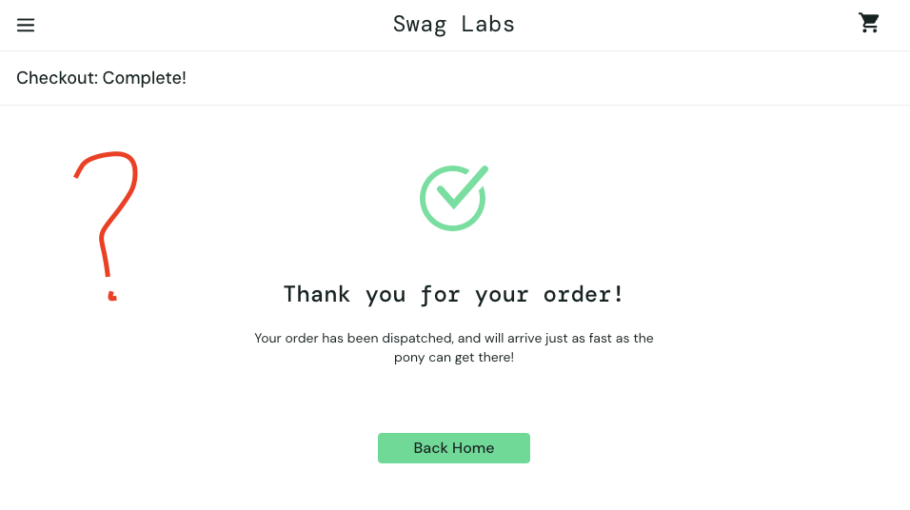 | There should be validation/error message when user doing Checkout Process without any product selected and the continue button is disable. So user cannot go to the next page that means user cannot checkout without product selected | 22/10/24 | Indra (QA) | Front End | To Do
 |  |  |  | Minor | Low
 |  |  |  | Minor | Low
 |  |  |  | Minor | Low
 |  |  |  | Minor | Low
 |  |  |  | Minor | Low

